DOMESTIC PORTFOLIO ANALYSIS
HAVIELS |  |  | Birlasoft |  |  | CIPLA |  |  | HBD |  |  | MARUTI |  |  | IOC
DAILY RETURN AVG= | -0.082061067946 |  | DAILY RETURN | -0.2516795379 |  | DAILY RETURN | 0.078023476379 |  | DAILY RETURN | 0.024390462107 |  | DAILY RETURN | 0.056756851438 |  | DAILY RETURN | -0.0013667163064
ANNUAL RETURN | -18.688179493 |  | ANNUALRET | -47.008141307 |  | ANNUALRET | 21.718704511
 |  |  | VAR | 1685.1823231 |  | VAR | 520.33701677 |  | ANNUALRET | 6.3384206466 |  | ANNUALRET | 15.371444803 |  | ANNUALRET | -0.34382243514
ANNUAL VARIANCE | 787.52769814 |  | STD | 41.050972255 |  | STD | 22.810896887 |  | VAR | 1145.5623941 |  | VAR | 804.4868856 |  | VAR | 599.8183843
STD | 28.062923906 |  |  |  |  |  |  |  | STD | 33.846157745

 |  |  | INPUT LIST |  |  |  |  |  |  |  |  | STD | 28.363478024 |  | STD | 24.491189932
 |  | hav | bsoft | cipla | hbd | maruti | ioc
 | E(r) | -18.688179493 | -47.008141307 | 21.718704511 | 6.3384206466 | 15.371444803 | -0.34382243514
 | Annualized Variance | 787.52769814 | 1685.1823231 | 520.33701677 | 1145.5623941 | 804.4868856 | 599.8183843

 |  |  |  | COVARIANCE MATRIX
 |  |  | hav | bsoft | cipla | hbd | maruti | ioc | Weights |  |  |  | MINIMUM VARIANCE PORFOLIO
 |  | hav | 787.52769814 | 206.92291082 | 109.47902616 | 114.18090908 | 266.92499282 | 31.944973163 | 0.1140360917 |  |  |  | Short selling allowed | No short selling
 |  | bsoft | 206.92291082 | 1685.1823231 | 19.755920394 | 146.96366892 | 30.4275872 | -22.955560545 | 0.088605595876 |  |  | hav | 0.11403672757 | 0.11403672757
 |  | cipla | 109.47902616 | 19.755920394 | 520.33701677 | 71.904270908 | 118.66023798 | 45.316878825 | 0.27281531513 |  |  | bsoft | 0.088605239257 | 0.088605239257
 |  | hbd | 114.18090908 | 146.96366892 | 71.904270908 | 1145.5623941 | 211.37379286 | -24.164710694 | 0.11192359007 |  |  | cipla | 0.27281478011 | 0.27281478011
 |  | maruti | 266.92499282 | 30.4275872 | 118.66023798 | 211.37379286 | 804.4868856 | 27.001591213 | 0.11734980166 |  |  | hbd | 0.11192458838 | 0.11192458838
 |  | ioc | 31.944973163 | -22.955560545 | 45.316878825 | -24.164710694 | 27.001591213 | 599.8183843 | 0.29526960556 |  |  | maruti | 0.11734927572 | 0.11734927572
 |  |  |  |  |  |  |  |  |  |  |  | ioc | 0.29526938896 | 0.29526938896
 |  |  |  |  |  |  |  |  |  |  |  | PORTFOLIO RETURN | 2.0406099504 | 2.0406099504
 |  | RETURN | -18.688179493 | -47.008141307 | 21.718704511 | 6.3384206466 | 15.371444803 | -0.34382243514 | 1 |  |  | PORTFOLIO RISK | 191.54420737 | 191.54420737
 |  |  |  |  |  |  |  |  |  |  |  | Portfolio Standard Deviation | 13.839949688 | 13.839949688
 |  |  |  | PORTFOLIO RETURN (%) |  | 2.0406183718
 |  |  |  | PORTFOLIO RISK |  | 191.54420736 |  |  |  |  |  |  |  |  |  |  |  | 10
 |  |  |  | Portfolio Standard Deviation |  | 13.839949688
 |  |  |  | RISK FREE RATE |  | 0.0699
 |  |  |  | SHARPE RATIO |  | 0.14239346358

 |  |  |  |  |  |  |  |  |  | 1
 |  |  |  |  |  | NO SHORT SELLING |  |  |  |  |  |  |  | Short Selling
 |  |  |  | WEIGHTS | WEIGHTS | WEIGHTS | WEIGHTS | WEIGHTS | WEIGHTS |  |  | WEIGHTS | WEIGHTS | WEIGHTS | WEIGHTS | WEIGHTS | WEIGHTS
 |  |  | hav | 0.11403672757 | 0.07228933278 | 0.030114190949 | 0 | 0 | 0 |  | hav | 0.11403672757 | 0.072289318263 | 0.030114212203 | -0.022604688932 | -0.054236031324 | -0.07532286635
 |  |  | bsoft | 0.088605239257 | 0.05486904265 | 0.020786467417 | 0 | 0 | 0 |  | bsoft | 0.088605239257 | 0.054869048718 | 0.02078645318 | -0.021816780104 | -0.047378724361 | -0.064419889178
 |  |  | cipla | 0.27281478011 | 0.32506938002 | 0.37785943084 | 0.51470014525 | 0.64275071186 | 0.74056651927 |  | cipla | 0.27281478011 | 0.32506934957 | 0.37785944907 | 0.44384704441 | 0.48343959009 | 0.50983566565
 |  |  | hdb | 0.11192458838 | 0.11662964222 | 0.12138391698 | 0.094451791935 | 0.05688500854 | 0.0079721731155 |  | hdb | 0.11192458838 | 0.11662961007 | 0.12138390255 | 0.12732672212 | 0.13089242155 | 0.13326870212
 |  |  | maruti | 0.11734927572 | 0.14502780378 | 0.1729899654 | 0.21361945215 | 0.24072120585 | 0.25146130761 |  | maruti | 0.11734927572 | 0.14502786128 | 0.17298992848 | 0.20794258421 | 0.22891417585 | 0.24289537031
 |  |  | ioc | 0.29526938896 | 0.28611479855 | 0.27686602842 | 0.17722861066 | 0.059643073746 | 0 |  | ioc | 0.29526938896 | 0.2861148121 | 0.27686605452 | 0.2653051183 | 0.2583685682 | 0.25374301744

 |  |  | Port Ret (%) | 2.0406099504 | 6 | 10 | 15 | 18 | 20 |  | Port Ret (%) | 2.0406099504 | 6 | 10 | 15 | 18 | 20
 |  |  | Port Risk | 191.54420737 | 196.6067154 | 212.0025097 | 254.73439875 | 319.27596003 | 382.20699049 |  | Port Risk | 191.54420737 | 196.6067154 | 212.0025097 | 245.77918559 | 273.7955554 | 295.70245372
 |  |  | Std Dev | 13.839949688 | 14.021651665 | 14.560305962 | 15.960400958 | 17.868294827 | 19.550114846 |  | Std Dev | 13.839949688 | 14.021651665 | 14.560305962 | 15.677346255 | 16.54676873 | 17.196001097
 |  |  | RISK FREE RATE | 0.0699 | 0.0699 | 0.0699 | 0.0699 | 0.0699 | 0.0699 |  | RISK FREE RATE | 0.0699 | 0.0699 | 0.0699 | 0.0699 | 0.0699 | 0.0699
 |  |  | SHARPE RATIO | 0.14239285509 | 0.42292449861 | 0.68199803123 | 0.93544642386 | 1.0034589295 | 1.0194364666 |  | SHARPE RATIO | 0.14239285509 | 0.42292449861 | 0.68199803123 | 0.952335922 | 1.0836012936 | 1.1589962043

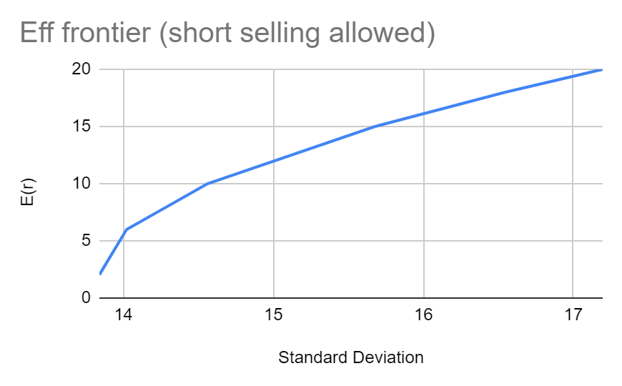
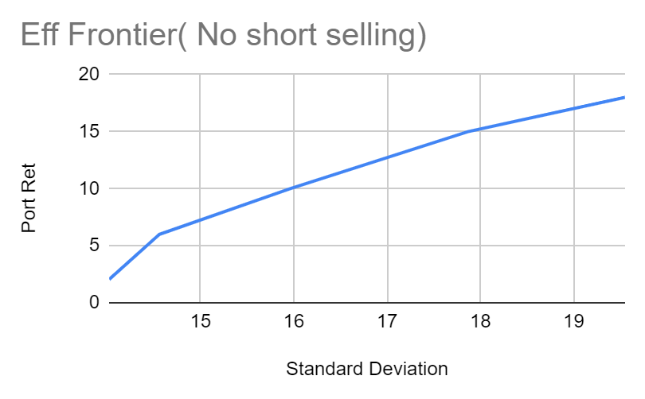
 |  |  |  |  |  |  |  | TANGENCY PORTFOLIO

 |  |  |  |  |  |  |  |  | Weights ( Short Selling Allowed) | Weights (Short Selling Not Allowed)
 |  |  |  |  |  |  |  | hav | -3.0688232398 | 0
 |  |  |  |  |  |  |  | bsoft | -2.4847078738 | 0
 |  |  |  |  |  |  |  | cipla | 4.2570268167 | 0.73622348709
 |  |  |  |  |  |  |  | hbd | 0.4710320961 | 0.011917525877
 |  |  |  |  |  |  |  | maruti | 2.2278721822 | 0.25185898703
 |  |  |  |  |  |  |  | ioc | -0.40239998145 | 0
 |  |  |  |  |  |  |  | PORTFOLIO RETURN (%) | 303.97889388 | 19.93679518
 |  |  |  |  |  |  |  | PORTFOLIO RISK | 29632.183205 | 379.76505443
 |  |  |  |  |  |  |  | Portfolio Standard Deviation | 172.14001047 | 19.487561531
 |  |  |  |  |  |  |  | RISK FREE RATE | 0.0699 | 0.0699
 |  |  |  |  |  |  |  | SHARPE RATIO | 1.7654756326 | 1.019465424

INTERNATIONAL PORTFOLIO ANALYSI
 | 0

 |  |  |  |  |  | COVARIANCE MATRIX
 |  |  |  | SECURITIES | hav | ss | bsoft | cipla | hbd | maruti | ioc | SILVER | WIEGHTS
Security | Short Selling Allowed | Short Selling Not Allowed |  | hav | 787.5276981 | -16.38431135 | 206.9229108 | 109.4790262 | 114.1809091 | 266.9249928 | 31.94497316 | #REF! | -0.16887830997
hav | -0.003430677 | 0 |  | ss | -16.38431135 | 320.1408332 | 32.23788075 | 48.46360277 | 54.54888503 | 34.88232613 | -68.80463015 | #REF! | -0.27489691122
ss | -0.005908216 | 0 |  | bsoft | 206.9229108 | 32.23788075 | 1685.182323 | 19.75592039 | 146.9636689 | 30.4275872 | -22.95556054 | #REF! | -0.11956374024
bsoft | -0.00250497 | 0 |  | cipla | 109.4790262 | 48.46360277 | 19.75592039 | 520.3370168 | 71.90427091 | 118.660238 | 45.31687882 | #REF! | 0.24000001969
cipla | 0.004071416 | 0.040491192 |  | hdb | 114.1809091 | 54.54888503 | 146.9636689 | 71.90427091 | 1145.562394 | 211.3737929 | -24.16471069 | #REF! | 0.034078388484
hdb | 0.001601486 | 0.001487568 |  | maruti | 266.9249928 | 34.88232613 | 30.4275872 | 118.660238 | 211.3737929 | 804.4868856 | 27.00159121 | #REF! | 0.12229296912
maruti | 0.001972824 | 0.013622757 |  | ioc | 31.94497316 | -68.80463015 | -22.95556054 | 45.31687882 | -24.16471069 | 27.00159121 | 599.8183843 | #REF! | -0.052054017274
ioc | -0.00020884 | 0 |  | SILVER | 0.20542910614 | 0.27313556235 | 0.16520471068 | 0.48674916836 | -0.75191339669 | 0.40014413855 | -0.37690156702 | 9.5116% | 1.2190215777
SILVER | 1.004406977 | 0.944397499 |  | RETURN | -18.69% | -13.70% | -47.01% | 21.72% | 6.34% | 15.37% | -0.34% | 0.11% | 0.99999997631

Portfolio Return | 0.004999997 | 0.012000001
Risk | 0.133321368 | 1.283320674 |  | Portfolio Return | 20.00%
Portfolio STd Dev | 0.365131987 | 1.132837444 |  | Risk | 382.20769274
Risk Free Rtate | 0.07 | 0.07 |  | Portfolio STd Dev | 19.550132806
sharpe ratio | -0.178017828 | -0.051198872 |  | Risk Free Rtate | 0.07
Risk Free Rtate | 0.07 |  |  | sharpe ratio | 0.006649580397
sharpe ratio | -0.17801782798

 |  |  | Efficient Frontier

 |  |  | Short Selling Allowed |  |  |  |  |  |  |  | Short Selling Not Allowed
 | Security | WEIGHTS | WEIGHTS | WEIGHTS | WEIGHTS | WEIGHTS | WEIGHTS | WEIGHTS
 | hav | -0.0034306766697 | -0.038895730882 | -0.067064272187 | -0.084033272438 | -0.12645584959 | -0.15192526506 | -0.16887842356 |  | Security | WEIGHTS | WEIGHTS | WEIGHTS | WEIGHTS | WEIGHTS | WEIGHTS | WEIGHTS
 | ss | -0.0059082158697 | -0.063568509733 | -0.10936557747 | -0.13695417565 | -0.20592576792 | -0.24734413986 | -0.27489733908 |  | hav | 0 | 0 | 0 | 0 | 0 | 0 | 0
 | bsoft | -0.0025049699763 | -0.027597296898 | -0.047527305474 | -0.059533329387 | -0.089548447001 | -0.10753439752 | -0.11956355687 |  | ss | 0 | 0 | 0 | 0 | 0 | 0 | 0
 | cipla | 0.0040714155479 | 0.054645423982 | 0.094813711642 | 0.11901149252 | 0.17950609221 | 0.2158459665 | 0.24000063353 |  | bsoft | 0 | 0 | 0 | 0 | 0 | 0 | 0
 | hdb | 0.0016014856495 | 0.0085630434758 | 0.014092471386 | 0.017423480123 | 0.02575094694 | 0.030341041901 | 0.034078439993 |  | cipla | 0.040491191708 | 0.1816086555 | 0.29301735039 | 0.36728980029 | 0.55297037186 | 0.66437888312 | 0.74056774922
 | maruti | 0.0019728243822 | 0.027764629131 | 0.048249936834 | 0.060590464438 | 0.091441888664 | 0.11006500141 | 0.12229330382 |  | hdb | 0.0014875677745 | 0.0035703817231 | 0.0052147653236 | 0.0063110268202 | 0.009051649099 | 0.010696048287 | 0.0079710508175
 | ioc | -0.00020883955385 | -0.011322329717 | -0.020149323117 | -0.025466753878 | -0.038760422995 | -0.047119539564 | -0.052054069332 |  | maruti | 0.013622757105 | 0.061929431146 | 0.10006634968 | 0.12549095763 | 0.18905226072 | 0.22718910772 | 0.25146120284
 | SILVER | 1.0044069773 | 1.0504107706 | 1.086950358 | 1.1089620943 | 1.1639915596 | 1.1976713324 | 1.2190210121 |  | ioc | 0 | 0 | 0 | 0 | 0 | 0 | 0
 |  |  |  |  |  |  |  |  |  | SILVER | 0.94439749882 | 0.75289152943 | 0.6017015308 | 0.50090821435 | 0.24892571687 | 0.09773596126 | 0
 | Portfolio Return (%) | 0.50% | 5.00% | 8.00% | 10.00% | 15.00% | 18.00% | 20.00%
 | Risk | 0.13332136769 | 5.2578721546 | 15.450453053 | 24.206704638 | 54.703138957 | 78.902212197 | 97.493506238 |  | Portfolio Return (%) | 1.20% | 5.00% | 8.00% | 10.00% | 15.00% | 18.00% | 20.00%
 | Portfolio STd Dev | 0.36513198667 | 2.293005049 | 3.9307064318 | 4.9200309591 | 7.3961570398 | 8.8826917202 | 9.8738799992 |  | Risk | 1.2833206741 | 23.337758784 | 60.410799509 | 94.764208497 | 214.38046698 | 309.28156818 | 382.20769274
 | Risk Free Rtate | 0.07 | 0.07 | 0.07 | 0.07 | 0.07 | 0.07 | 0.07 |  | Portfolio STd Dev | 1.1328374438 | 4.8309169713 | 7.7724384532 | 9.7346909811 | 14.641737157 | 17.586402935 | 19.550132806
 | sharpe ratio | -0.17801782798 | -0.010117727226 | 0.0025440719493 | 0.0060975225914 | 0.010816441469 | 0.012383633637 | 0.013166068445 |  | Risk Free Rtate | 0.07 | 0.07 | 0.07 | 0.07 | 0.07 | 0.07 | 0.07
 |  |  |  |  |  |  |  |  |  | sharpe ratio | -0.051198871748 | -0.004140000737 | 0.0012866039389 | 0.0030817701309 | 0.0054638325602 | 0.0062548322557 | 0.006649580397

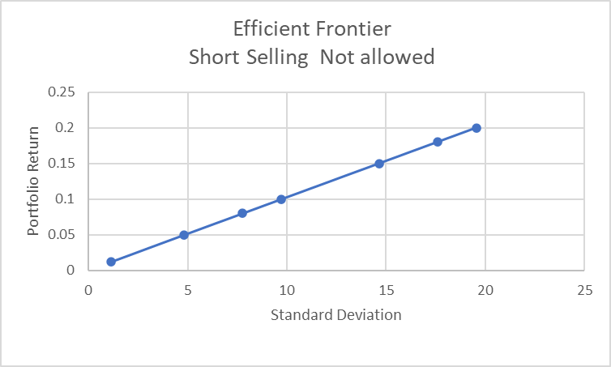
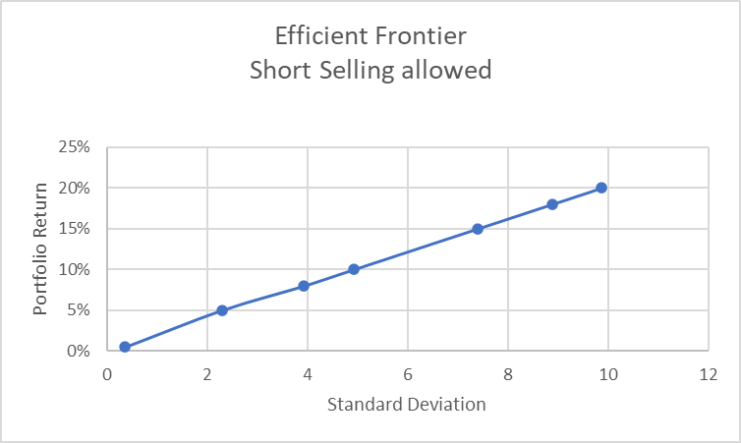
 |  |  |  | Tangency Portfolio
 |  |  |  | Short Selling not allowed | Short Selling Allowed
 |  |  | Securities
 |  |  | hav | 0 | -1.6812
 |  |  | ss | 0 | -2.7337
 |  |  | bsoft | 0 | -1.1896
 |  |  | cipla | 0.80609139715 | 2.39658
 |  |  | hdb | 0 | 0.33095
 |  |  | maruti | 0.1939085837 | 1.22212
 |  |  | ioc | 0 | -0.526
 |  |  | SILVER | 0 | 3.18077

 |  |  | Portfolio Return (%) | 20.49% | 198.00%
 |  |  | Risk | 405.4505641 | 9653.995333
 |  |  | Portfolio STd Dev | 20.135803041 | 98.25474713
 |  |  | Risk Free Rtate | 0.07 | 7%
 |  |  | sharpe ratio | 0.0066984743175 | 0.019464281

 |  |  |  |  |  |  |  |  |  |  |  |  |  |  |  |  |  | 146.8650129
 |  |  |  |  |  |  |  |  |  |  |  |  |  |  |  |  |  | 12.06123421

